Instructions
1 | Front sheet tab | This populates the unique reference numbers for the requirements and also provides document transmission control. The spreadsheet should be a frozen version at every SRR. This can be achieved by selecting all the required tabs (ctrl left click Front sheet, Requirements, Glossary) and "save as"> filetype>*.pdf Version control either achieved by number (e.g. 1.0;1.1;2.0 etc.) or by date of SRR (e.g. SRR xx/xx/xx). Change description to include brief overview of changes since previous issue
2 | Scoping Prompts | Optional. Expand item categories as required. To be reviewed prior to initial scoping session. Not all may be applicable.
2a | Requirements tab | Instructions for the data required to be added are in notes in the column headers. They are replicated here. Except where greyed out, all columns except C and O are mandatory. Additional columns can be added if the project / user / situation requires it, but columns should not be deleted. It is advised that the numbering system used is hierarchical and use all four digits for completeness, however this is not mandatory. It is possible to use letters but this is not advised. Cells are either drop down lists or free text. Conditional formatting is applied on the basis of the Object Type cell. | 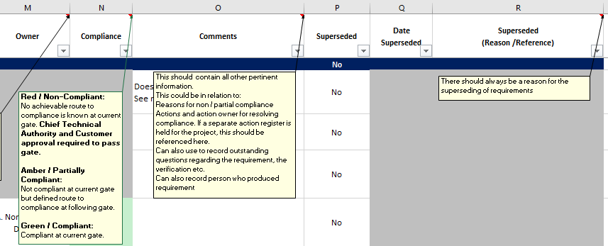
2b | Requirements tab | The requirements 0.0.0.1 to 0.0.0.4 (or equivalent definitions) are mandatory and should not be removed. If different or equivalent definitions are required, these can be agreed with the relevant NCC technical authority on the project, and subsequently agreed with the customer. However, these cannot be subsequently changed, once an SRR has been completed.
2c | Requirements tab | When adding new rows: Select, and then copy, the entire row of an existing row, then right click > insert copied cells. This preserves the formatting and formulae. Alternatively when just using "Insert Row", the formulas in column B and column E should be copied down, along with the formatting (click drag the bottom right corner of the cell above the new row)
2d | Requirements tab | Column groups are for ease of visualisation only
2e | Requirements tab | When adding pictures, the pictures should have the property "move and size with cells". To do this: right click on picture>Size and Properties>Expand Properties dialogue>Move and size with cells
3 | Example Requirements tab | This should not be PDF'd, or printed for the customer. Note this gives a suggestion for the use of headings to group requirements (e.g. E2, E2.1)
4 | Glossary tab | Optional. For defining terms within the requirements tab
5 | Instructions tab | This should not be PDF'd, or printed for the customer
6 | Release Signatures tab | If required, the release signatures tab can be populated to enable release of document external to NCC (i.e. to customer). Some cells are auto-populated from the Front Sheet tab. It is recommended that this instruction sheet be removed before sending to a customer
7 | Hidden tabs | These should not be PDF'd or printed for the customer. This is for System Engineering team use only
8 | Printing to PDF | The print areas are set up within each tab so that File>Print>pick Microsoft Print to PDF>Entire Workbook will print the required items into a single PDF in the order the tabs are displayed in the workbook. However, there are several items of note: This will PDF all tabs unless they are hidden. Therefore, before doing so, hide all tabs that are either not required or should not be PDF'd (Example requirements; Glossary (if not used); Scoping Prompts; Instructions). Do not unhide tabs that are already hidden. This will only PDF visible columns and rows On the Requirements tab, the print area is set by default to 500 lines. This will need to be re-set either by deleting redundant lines in the spreadsheet or Page Layout> Select relevant print area>Print Area>Set Print Area
9 | Issues with this tool | If there are any issues encountered with this tool, please contact the Systems Engineering team here: NCC-SystemEngineering@nationalcompositescentre.onmicrosoft.com If there is any other feedback, please also address it to this email

